Sheet1
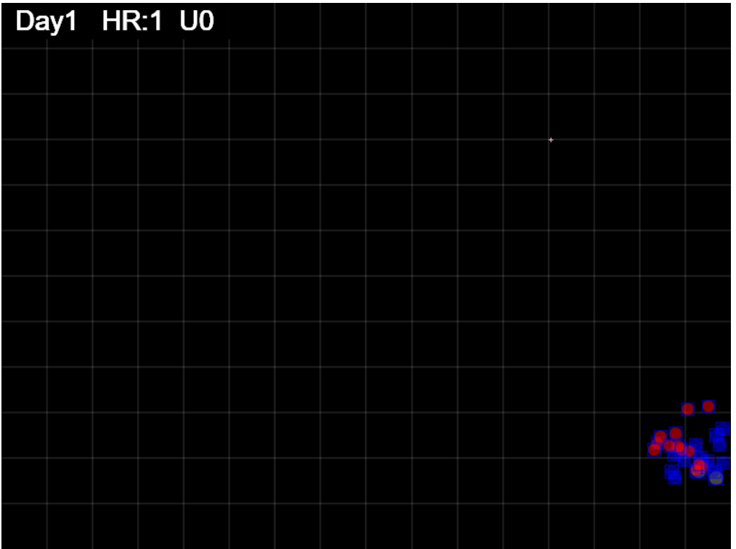
Gen = 25

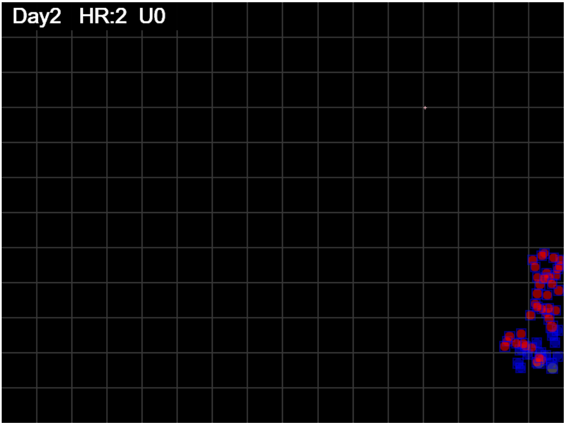
gen = 50

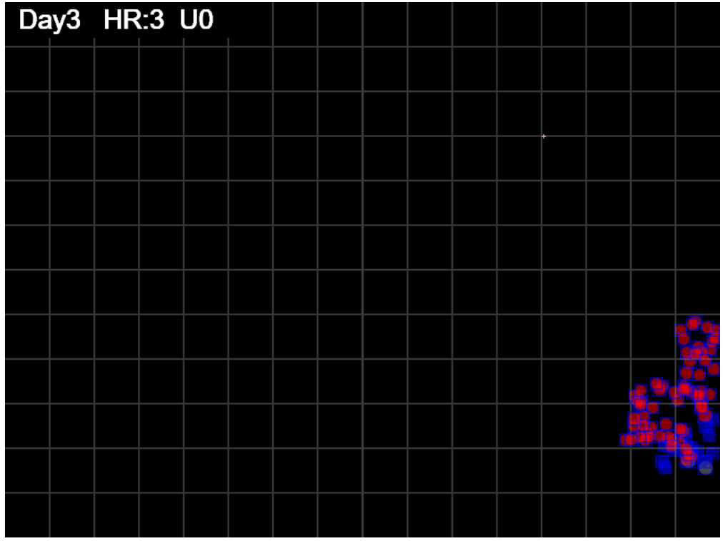
gen=75

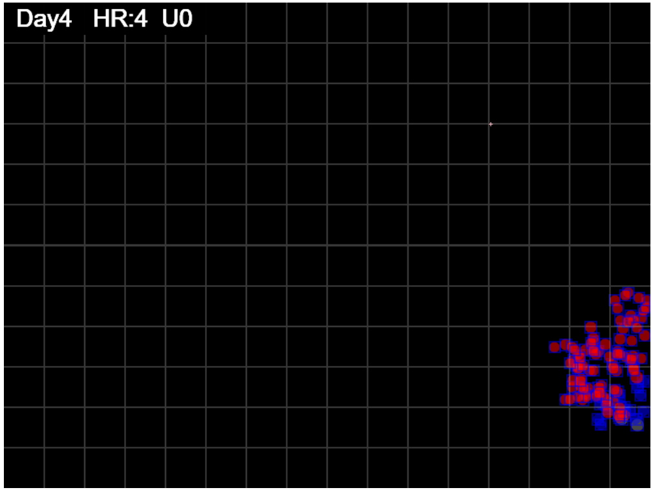
gen=100

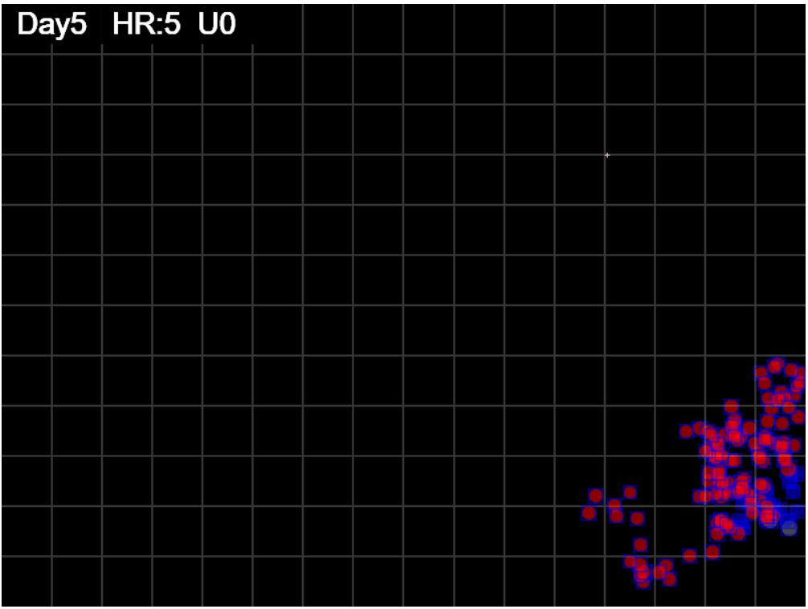
gen=125

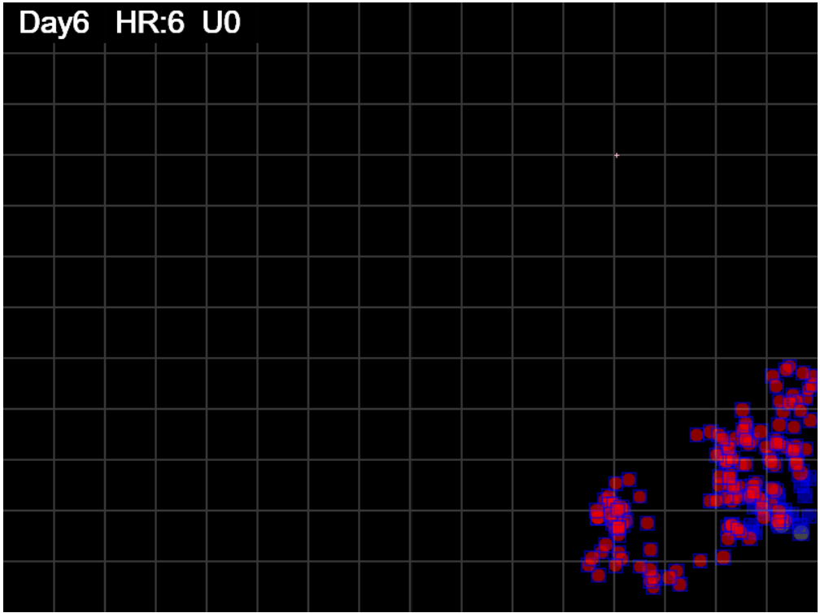
gen=150

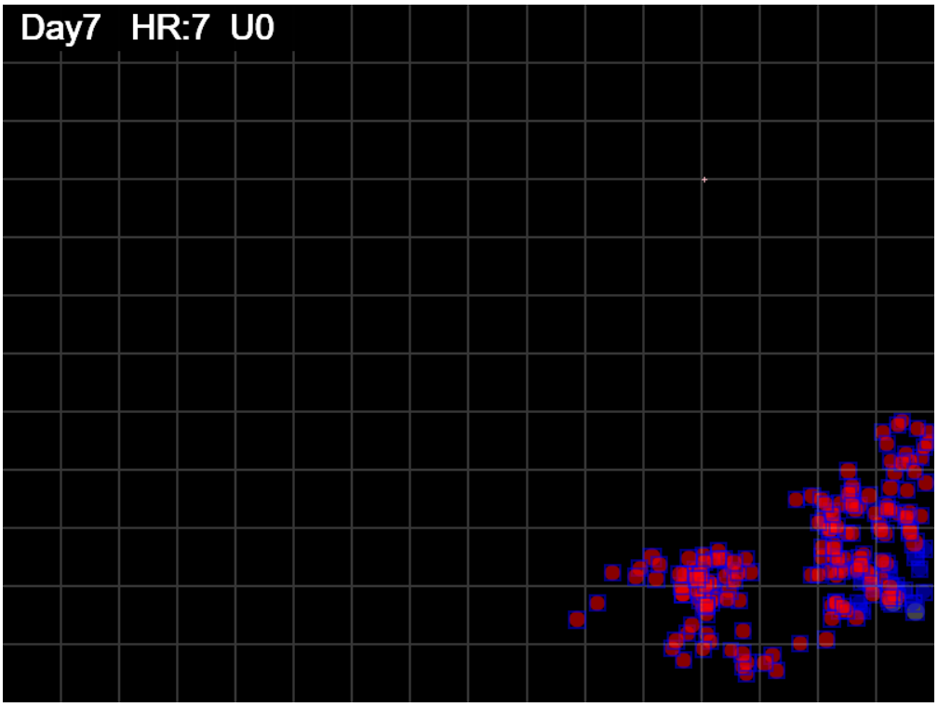

gen=175

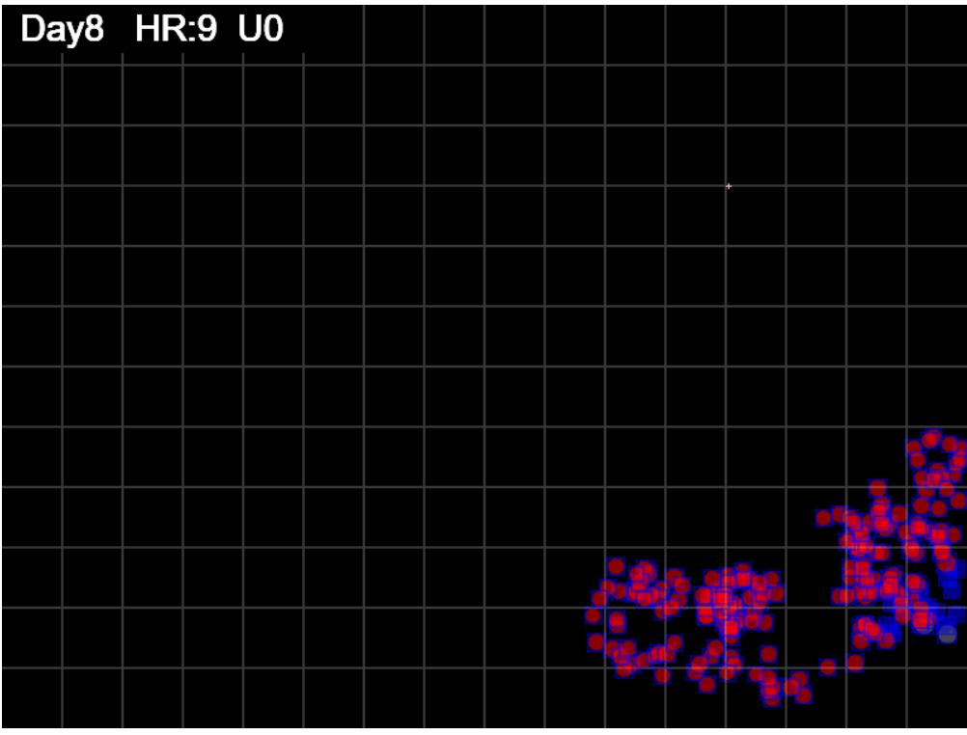
gen=200

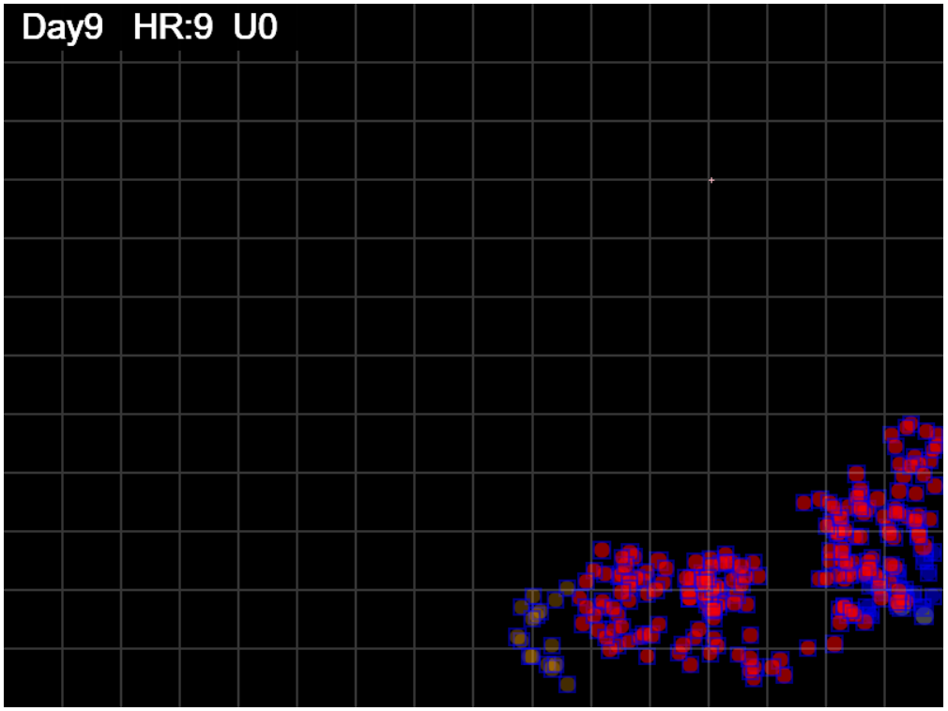
gen=225

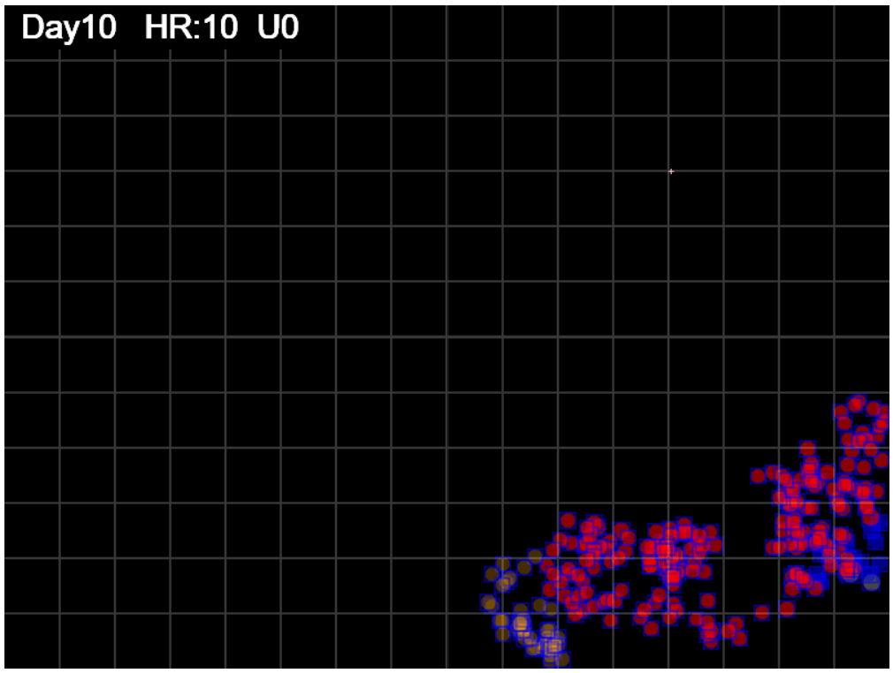
gen=250

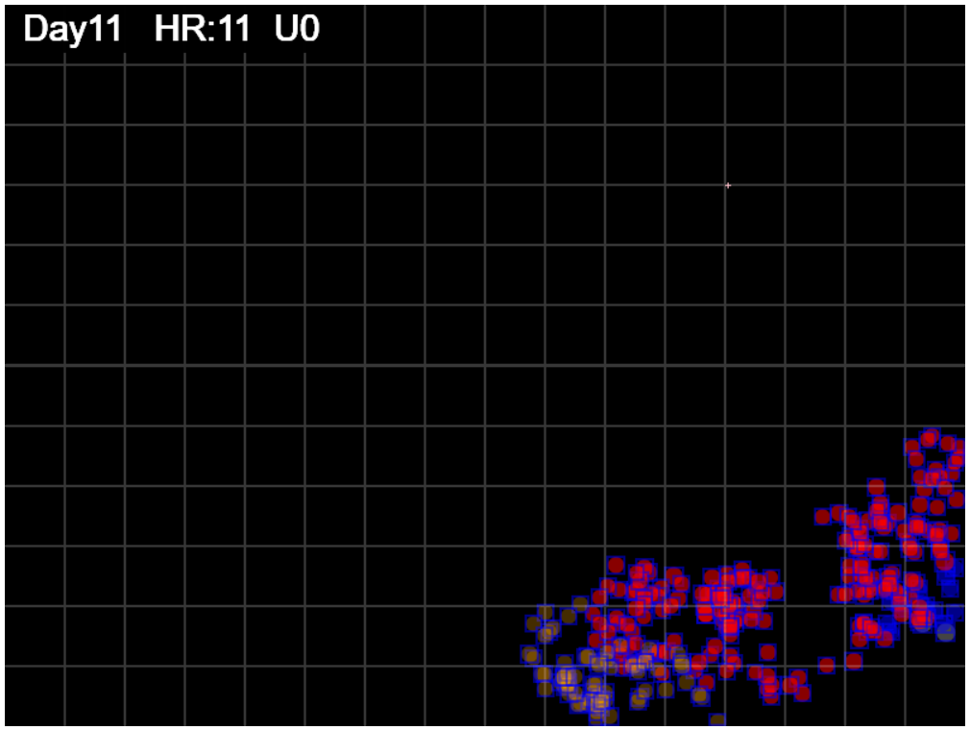
gen=275

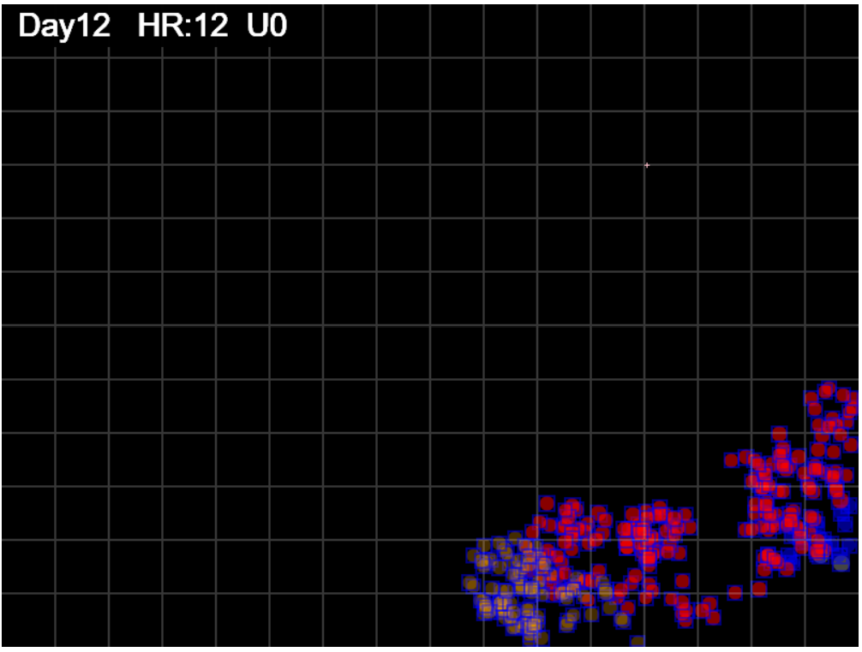
gen=300

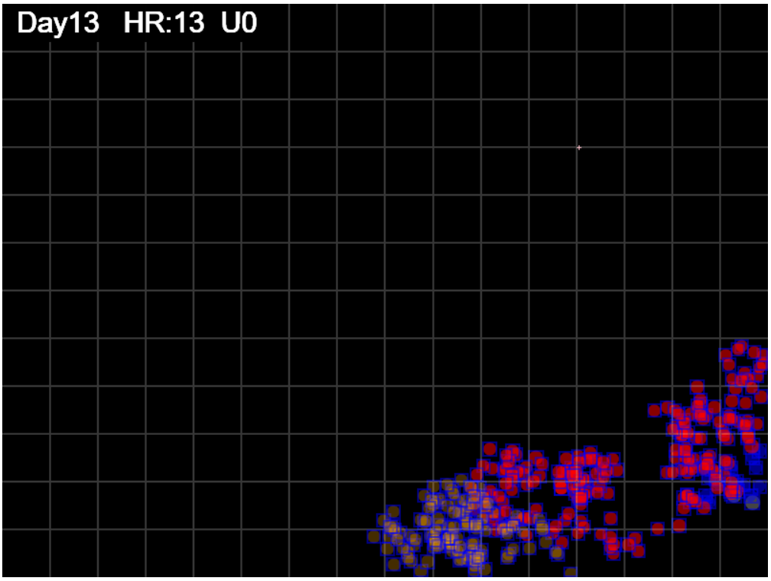
gen=325

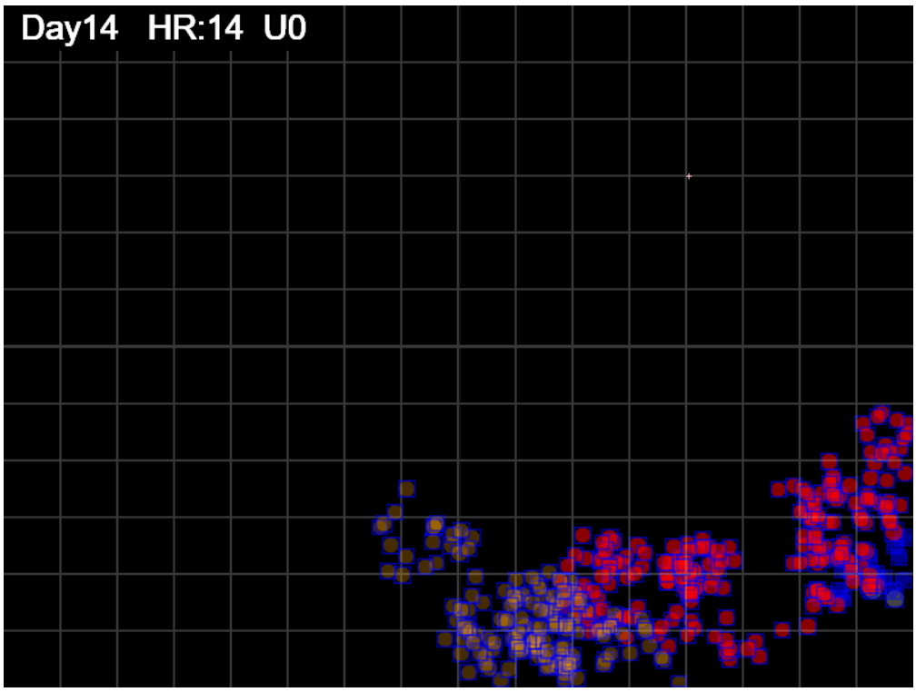
gen=350

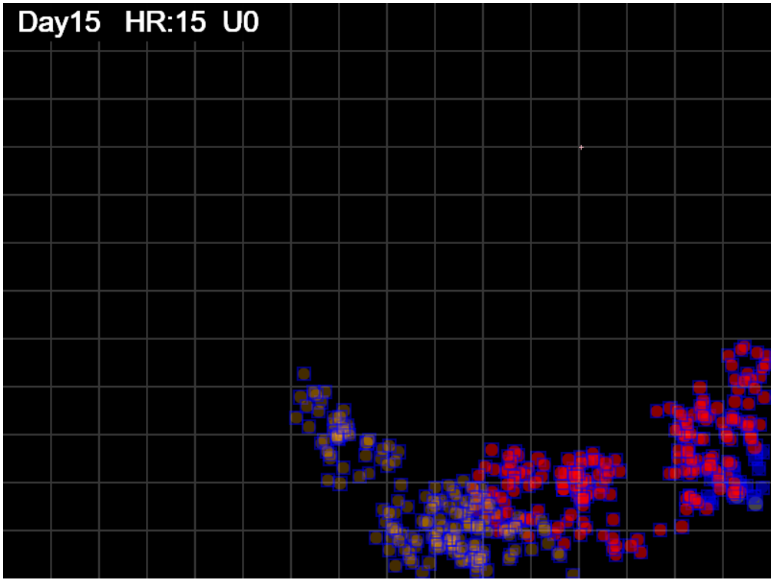
gen=375

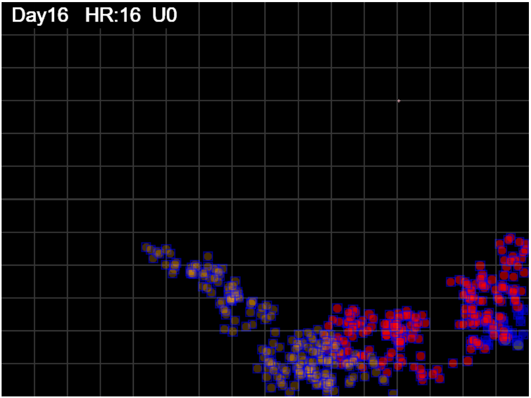
gen=400

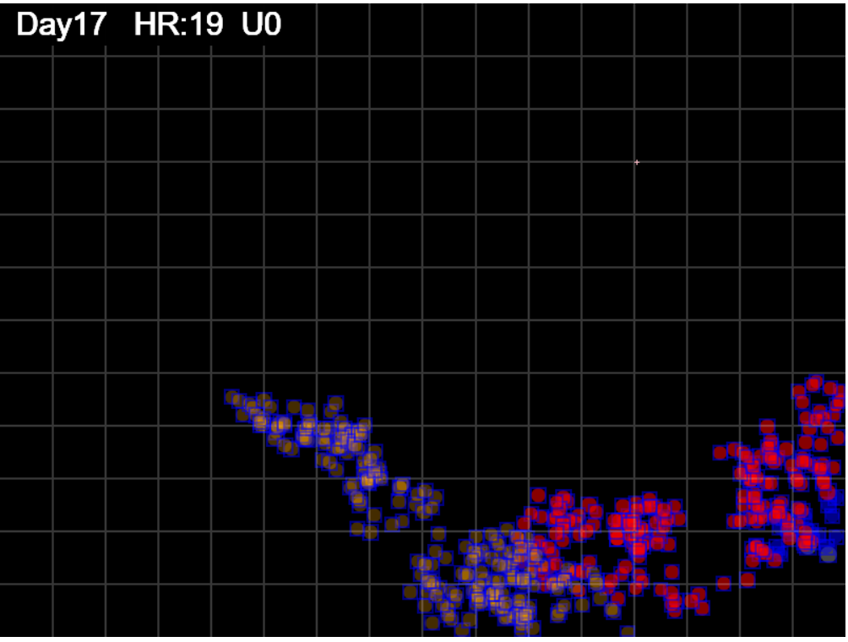
gen=427


gen=450

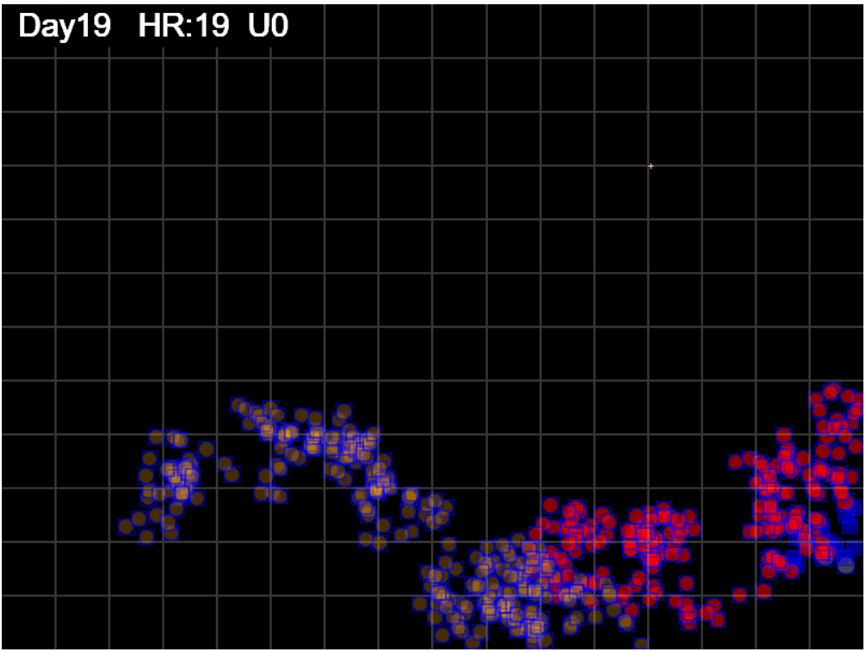
gen=475

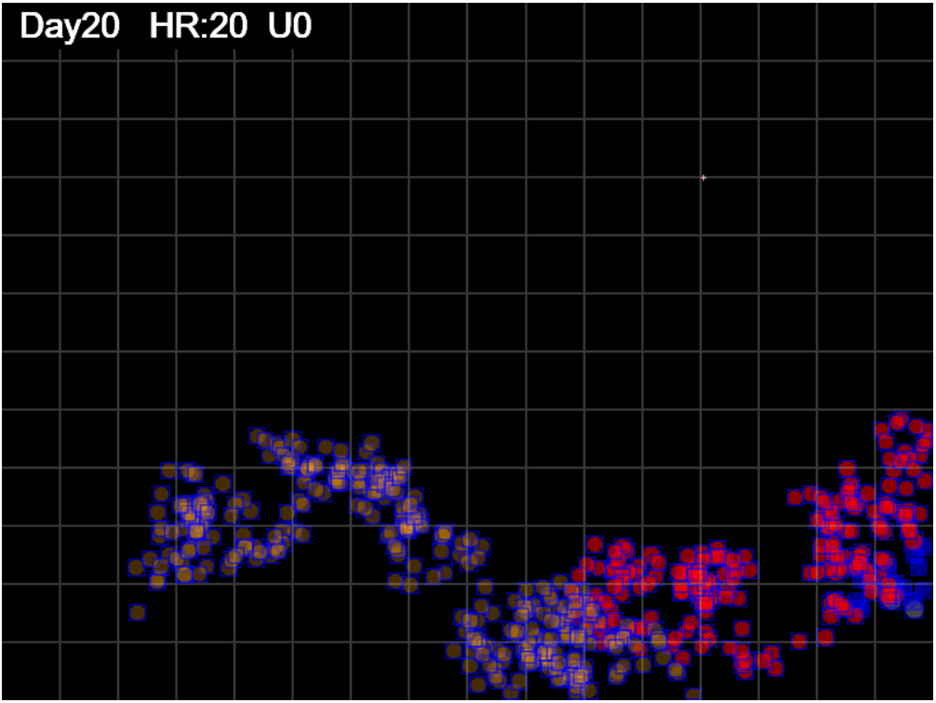
gen=500

Sheet3
Spacing = Territory/footprint
 | Spacing
 | 0.44
 | 0.70
 | 0.65
 | 0.69
 | 1.22
 | 1.51
 | 1.35
 | 1.26
 | 2.22
 | 1.99
 | 1.84
 | 1.68
 | 1.70
 | 1.63
 | 1.60
 | 1.60
 | 1.56
 | 1.53
 | 1.48
 | 1.80
 | 1.79
 | 1.71
 | 1.68
 | 1.58
 | 2.13
 | 2.10
 | 2.11
 | 2.14
 | 2.19
 | 2.71
 | 2.84
 | 2.89
 | 2.77
 | 2.71
 | 2.78
 | 2.94
 | 3.21
 | 3.19
 | 3.10
 | 3.07
 | 2.97
 | 2.89
 | 2.89
 | 2.80
 | 2.73
 | 2.69
 | 2.61
 | 2.57
 | 2.55
...
Zone = area within perimeter of bounding rectangle of footprints

higher = sparser, more spacing between individual prints or clusters
spread = territory/footprint

if this approaches 1, then footprint coers entire territroy
and is very tightly packed
as Spread index S increase -> more and more open spaces
so density will decrease

Spread is more visually sensitive than density
Coverage = Territory/Arena
 | Coverage
 | 0.0003118575
 | 0.00071719166667
 | 0.00071719166667
 | 0.000976775
 | 0.00201226625
 | 0.0029702245833
 | 0.0029702245833
 | 0.0029702245833
 | 0.0059270041667
 | 0.0059270041667
 | 0.0059270041667
 | 0.0059270041667
 | 0.0062676108333
 | 0.0062676108333
 | 0.0062676108333
 | 0.0062676108333
 | 0.0062676108333
 | 0.0062676108333
 | 0.0062676108333
 | 0.0080625183333
 | 0.0084412191667
 | 0.0084412191667
 | 0.0084412191667
 | 0.0084412191667
 | 0.011877037083
 | 0.012382442917
 | 0.01289726625
 | 0.013427785417
 | 0.014416622917
 | 0.018739255417
 | 0.0202947125
 | 0.021300815417
 | 0.021300815417
 | 0.021300815417
 | 0.022268761667
 | 0.02381465
 | 0.0269542125
 | 0.02727875625
 | 0.02727875625
 | 0.02727875625
 | 0.02727875625
 | 0.02727875625
 | 0.02727875625
 | 0.02727875625
 | 0.02727875625
 | 0.02727875625
 | 0.02727875625
 | 0.02727875625
 | 0.02727875625
...
 | Territory
 | 149.69
 | 344.25
 | 344.25
 | 468.85
 | 965.89
 | 1425.71
 | 1425.71
 | 1425.71
 | 2844.96
 | 2844.96
 | 2844.96
 | 2844.96
 | 3008.45
 | 3008.45
 | 3008.45
 | 3008.45
 | 3008.45
 | 3008.45
 | 3008.45
 | 3870.01
 | 4051.79
 | 4051.79
 | 4051.79
 | 4051.79
 | 5700.98
 | 5943.57
 | 6190.69
 | 6445.34
 | 6919.98
 | 8994.84
 | 9741.46
 | 10224.39
 | 10224.39
 | 10224.39
 | 10689.01
 | 11431.03
 | 12938.02
 | 13093.80
 | 13093.80
 | 13093.80
 | 13093.80
 | 13093.80
 | 13093.80
 | 13093.80
 | 13093.80
 | 13093.80
 | 13093.80
 | 13093.80
 | 13093.80
...

coverage = territory/Arena
higher = more of Arena covered

at 327 a spurt in territory - a tendril outshoot
looat at day 13 and day 14

I will output Gen instead of Day Hr

territory keeps growing - more outreach

 | Sectors
 | 0
 | 0
 | 0
 | 0
 | 0
 | 0
 | 0
 | 0
 | 0
 | 2
 | 2
 | 2
 | 2
 | 2
 | 2
 | 2
 | 2
 | 2
 | 2
 | 2
 | 2
 | 2
 | 2
 | 2
 | 2
 | 3
 | 3
 | 3
 | 3
 | 3
 | 3
 | 3
 | 3
 | 3
 | 3
 | 3
 | 3
 | 3
 | 3
 | 3
 | 3
 | 4
 | 4
 | 4
 | 4
 | 4
 | 4
 | 4
 | 4
 | 4
...

shows growth in sectors
sectors are 50x50 so would show slower growth
than territory which is by pixel limits of the
bounding rectangle for the footprint

 | Density

density = footprint/terriotry
lower = sparser

 | SectorCover
 | 0.000
 | 0.000
 | 0.000
 | 0.000
 | 0.000
 | 0.000
 | 0.000
 | 0.000
 | 0.000
 | 0.010
 | 0.010
 | 0.010
 | 0.010
 | 0.010
 | 0.010
 | 0.010
 | 0.010
 | 0.010
 | 0.010
 | 0.010
 | 0.010
 | 0.010
 | 0.010
 | 0.010
 | 0.010
 | 0.016
 | 0.016
 | 0.016
 | 0.016
 | 0.016
 | 0.016
 | 0.016
 | 0.016
 | 0.016
 | 0.016
 | 0.016
 | 0.016
 | 0.016
 | 0.016
 | 0.016
 | 0.016
 | 0.021
 | 0.021
 | 0.021
 | 0.021
 | 0.021
 | 0.021
 | 0.021
 | 0.021
 | 0.021
...

 | sector cover is sector/total sectors which is just
 | scaled by 192
 | so the shape is essentially the same

Sheet5
Change in Spacing over Last 25 GENs
 | del Spaci
 | -0.78
 | -0.92
 | -0.84
 | -0.66
 | -0.54
 | -0.85
 | -1.25
 | -1.37
 | -1.54
 | -1.54
 | -2.05
 | -1.58
 | -2.24
 | -0.47
 | -0.60
 | -0.03
 | -0.36
 | -0.60
 | -0.69
 | -1.08
 | -1.57
 | -1.54
 | -1.61
 | -0.95
 | 1.60
 | 1.72
 | 1.47
 | 0.86
 | 0.36
 | -0.80
 | -1.19
 | -1.19
 | -1.29
 | -1.28
 | -1.03
 | -2.79
 | -3.28
 | -5.43
 | -5.19
 | -6.31
 | -5.62
 | -4.03
 | -2.24
 | -1.93
 | -1.52
 | -1.65
 | 0.06
 | 0.25
 | 0.24
 | 0.25
...
 |  | coverage = bounding rectangle area/K | K=480,000 | arena area

 |  | spacing = Territory/footprint

 |  | but ration of footprint to bounding rectangle keeps changing

Spacing = Territory/footprint
 | Spacing
 | 0.44
 | 0.70
 | 0.65
 | 0.69
 | 1.22
 | 1.51
 | 1.35
 | 1.26
 | 2.22
 | 1.99
 | 1.84
 | 1.68
 | 1.70
 | 1.63
 | 1.60
 | 1.60
 | 1.56
 | 1.53
 | 1.48
 | 1.80
 | 1.79
 | 1.71
 | 1.68
 | 1.58
 | 2.13
 | 2.10
 | 2.11
 | 2.14
 | 2.19
 | 2.71
 | 2.84
 | 2.89
 | 2.77
 | 2.71
 | 2.78
 | 2.94
 | 3.21
 | 3.19
 | 3.10
 | 3.07
 | 2.97
 | 2.89
 | 2.89
 | 2.80
 | 2.73
 | 2.69
 | 2.61
 | 2.57
 | 2.55
...

 |  | as territory grows, spacing increases
 |  | as more footprints located within territory, spacing decrease

 |  | change in spacing over past 25 generations show whether the agent is expanding boundaries (++ spacing)
 |  | or staying within boundaries (-- spacing)

 |  | Gen 307 to 409 shows progressive increase in boundaries over a frame of 25 generations for each generation
 |  | in this time frame

 |  | In each of these we use both the changes in footprint over the 25generation frame as well as the change in territory (bounding rectangle area)
 |  | finding the increment is the same whether you look at total at time t1 and t2 and their difference
 |  | or you reset t1 to 0 and find the increment to t2

 |  | the second would be (t1-t1) and (t2-t1) and the difference is (t2-t1)-(t1-t1) = t2 - t1 - t1 + t1 = t2 - t1

 |  | why is the deltaSpaceing chart so similar to deltaCoverage (deltaTerritory) since Coverage = Territory/K

 |  | deltaSpacing = delta Territory/delta footprint

 |  | delta Territory

 |  | wait bounding rectangle change is what we are showing in deltaTerritiry
 |  | so if movement is within the Territory, the delta iz zerro

 | del sectors
 | 1
 | 1
 | 1
 | 1
 | 1
 | 1
 | 1
 | 1
 | 1
 | 1
 | 1
 | 1
 | 1
 | 1
 | 1
 | 2
 | 1
 | 1
 | 1
 | 1
 | 2
 | 2
 | 2
 | 2
 | 2
 | 2
 | 2
 | 2
 | 2
 | 2
 | 2
 | 2
 | 2
 | 2
 | 2
 | 2
 | 2
 | 2
 | 2
 | 1
 | 1
 | 1
 | 1
 | 1
 | 0
 | 0
 | 0
 | 0
 | 0
 | 0
...

delta Territory by 25 gens
 | -1903.65
 | -2221.24
 | -2005.60
 | -1562.73
 | -1226.45
 | -1790.86
 | -2537.48
 | -2637.99
 | -2726.14
 | -2726.14
 | -3485.01
 | -2862.00
 | -3875.99
 | -843.39
 | -1067.77
 | -50.16
 | -630.55
 | -994.74
 | -1162.90
 | -1840.46
 | -2722.81
 | -2722.81
 | -2608.46
 | -1615.25
 | 2707.22
 | 2789.76
 | 2327.00
 | 1360.11
 | 549.18
 | -1244.07
 | -1843.73
 | -1843.73
 | -2046.08
 | -2129.22
 | -1862.52
 | -4831.96
 | -5560.26
 | -8392.51
 | -8015.62
 | -9033.23
 | -8266.85
 | -6377.55
 | -3799.39
 | -3121.83
 | -2239.48
 | -2239.48
 | 82.79
 | 346.00
 | 325.36
 | 325.36
...
 |  |  |  |  | this is the claimed territory over the last 25 generations

consider the footprints in the last 25 gens
they define a territory: the last-25 territory
 |  |  |  |  | these are the terriroties generated in the past 25-generations
compare this to the last-25 at t=25 gens ago |  |  |  |  | for each observation taken at gen T

that is the delta being charted |  |  |  |  | so an increase means that the movement was expansive
a negative delta means that in the last 25 |  |  |  |  | a decrease means that smallere tighter movements occurred
generations, we have been more clustered
 |  |  |  |  | these delta charts are all relative to the past 25 generations

 | territory-25
 | 3797.33
 | 3714.79
 | 4177.55
 | 4875.07
 | 5685.99
 | 7196.44
 | 7196.44
 | 7196.44
 | 7196.44
 | 7196.44
 | 7196.44
 | 8561.14
 | 9054.14
 | 11690.66
 | 11313.77
 | 12331.38
 | 11750.99
 | 10886.14
 | 9435.60
 | 8758.03
 | 7875.68
 | 7875.68
 | 6767.76
 | 6504.55
 | 6504.55
 | 6504.55
 | 6504.55
 | 6235.18
 | 6235.18
 | 5952.38
 | 5352.71
 | 5352.71
 | 5150.37
 | 5067.23
 | 5333.92
 | 3729.18
 | 3493.89
 | 3298.15
 | 3298.15
 | 3298.15
 | 3484.13
 | 4508.58
 | 5636.20
 | 5636.20
 | 5636.20
 | 5636.20
 | 6850.55
 | 6850.55
 | 6829.91
 | 6829.91
...
 |  |  |  |  | what is sparseness like compared to
 |  |  |  |  | 25 generations ago

 | change in footprint pixels |  |  |  | increase means new territory was created
 | from 25 generations ago |  |  |  | decrease means compared to 25 generations ago,
 |  |  |  |  | we had more spacing
 | reduction means overlapped |  |  |  | so the negative values show where we have
 | increase is new footprints |  |  |  | been moving about in existing territory
 |  |  |  |  | without creating new, because the spacing
 | so if we increase territory |  |  |  | is decreasing as steps increase
 | we ought to see increase in
 | footprint

 | del footpt
 | 2450.44
 | 2412.74
 | 2375.04
 | 2375.04
 | 2261.94
 | 2111.15
 | 2035.75
 | 1922.65
 | 1771.86
 | 1771.86
 | 1696.46
 | 1809.56
 | 1734.16
 | 1809.56
 | 1771.86
 | 1847.25
 | 1771.86
 | 1658.76
 | 1696.46
 | 1696.46
 | 1734.16
 | 1771.86
 | 1621.06
 | 1696.46
 | 1696.46
 | 1621.06
 | 1583.36
 | 1583.36
 | 1545.66
 | 1545.66
 | 1545.66
 | 1545.66
 | 1583.36
 | 1658.76
 | 1809.56
 | 1734.16
 | 1696.46
 | 1545.66
 | 1545.66
 | 1432.57
 | 1470.26
 | 1583.36
 | 1696.46
 | 1621.06
 | 1470.26
 | 1357.17
 | 1470.26
 | 1357.17
 | 1357.17
 | 1319.47
...

 | del Spaci
 | -0.78
 | -0.92
 | -0.84
 | -0.66
 | -0.54
 | -0.85
 | -1.25
 | -1.37
 | -1.54
 | -1.54
 | -2.05
 | -1.58
 | -2.24
 | -0.47
 | -0.60
 | -0.03
 | -0.36
 | -0.60
 | -0.69
 | -1.08
 | -1.57
 | -1.54
 | -1.61
 | -0.95
 | 1.60
 | 1.72
 | 1.47
 | 0.86
 | 0.36
 | -0.80
 | -1.19
 | -1.19
 | -1.29
 | -1.28
 | -1.03
 | -2.79
 | -3.28
 | -5.43
 | -5.19
 | -6.31
 | -5.62
 | -4.03
 | -2.24
 | -1.93
 | -1.52
 | -1.65
 | 0.06
 | 0.25
 | 0.24
 | 0.25
...

 | del footpt
 | 2450.44
 | 2412.74
 | 2375.04
 | 2375.04
 | 2261.94
 | 2111.15
 | 2035.75
 | 1922.65
 | 1771.86
 | 1771.86
 | 1696.46
 | 1809.56
 | 1734.16
 | 1809.56
 | 1771.86
 | 1847.25
 | 1771.86
 | 1658.76
 | 1696.46
 | 1696.46
 | 1734.16
 | 1771.86
 | 1621.06
 | 1696.46
 | 1696.46
 | 1621.06
 | 1583.36
 | 1583.36
 | 1545.66
 | 1545.66
 | 1545.66
 | 1545.66
 | 1583.36
 | 1658.76
 | 1809.56
 | 1734.16
 | 1696.46
 | 1545.66
 | 1545.66
 | 1432.57
 | 1470.26
 | 1583.36
 | 1696.46
 | 1621.06
 | 1470.26
 | 1357.17
 | 1470.26
 | 1357.17
 | 1357.17
 | 1319.47
...

